Transaction
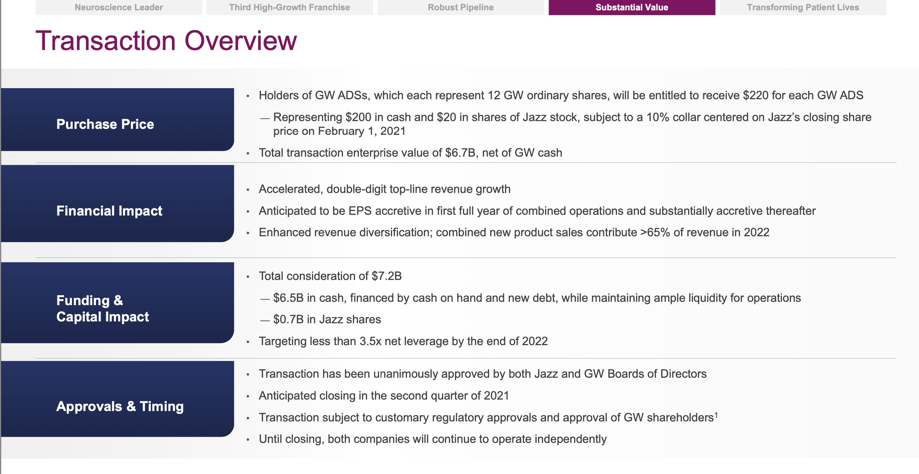
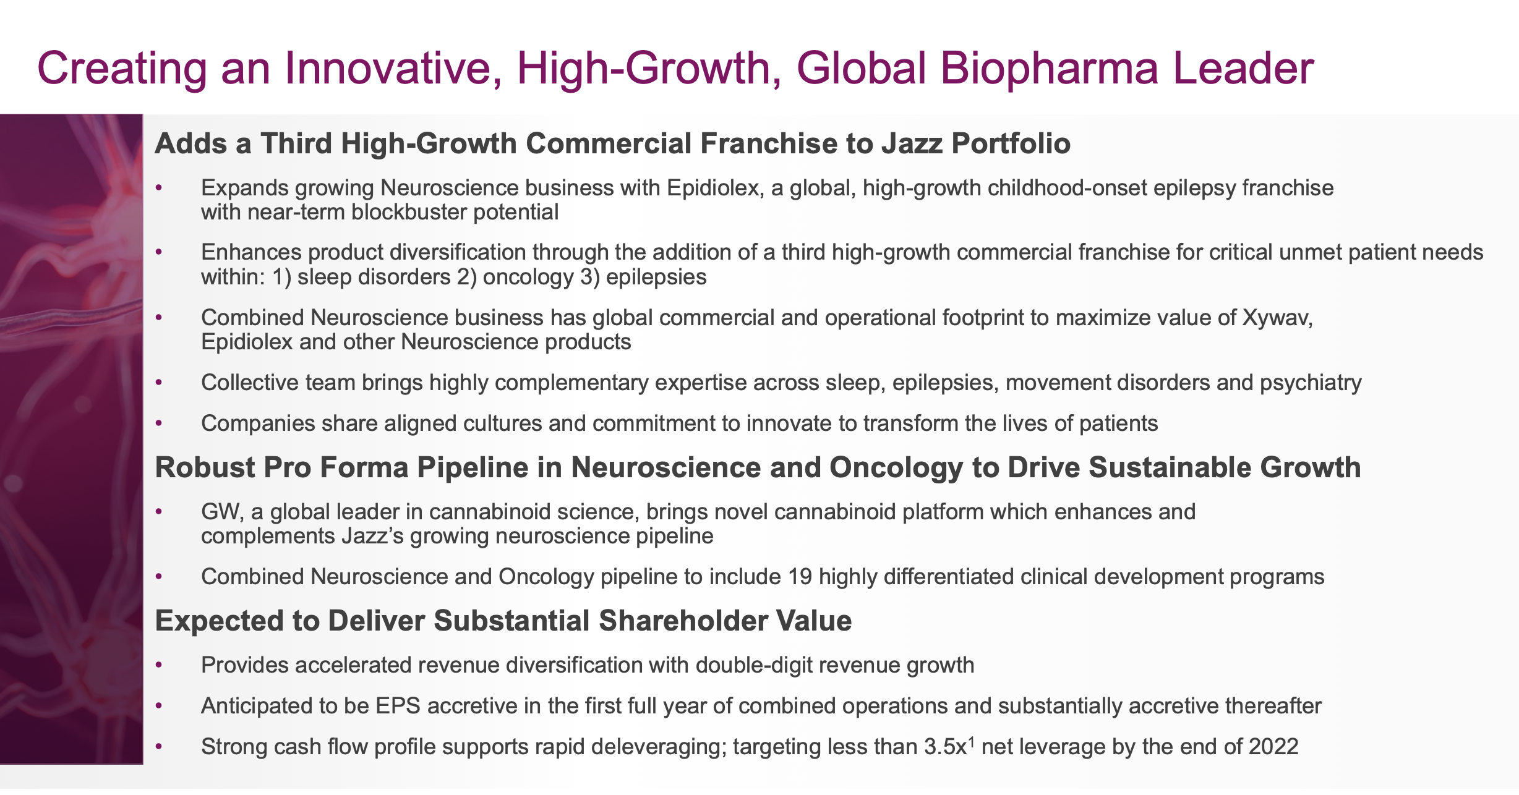
Source: 202102 Acquisition of GW Pharmaceuticals slides

